5. Sizing Guidance
This section provides guidance on the sizing methodology that Tenderers can use when sizing solutions, and provides an example of using this guidance to identify potential solution sizes. | Sizing Methodology and Step-by-Step Guide:

Phase 3 Tenderers are encouraged to use this sizing methodology - combined with other provided information and data tools - to help size the target value of short-circuit level (SCL) injection (refer to Note 3 at Note Tab) at a connection site or Grid Entry Point and choose suitable technology and solution design to deliver the decided SCL injection. | NGESO encourage Tenderers to consider sizing their proposed solutions such that the SCL that is provided at the connection site or (GEP) Grid Entry Point ❷ can, after accounting for the site effectiveness, meet: the full SCL requirement (100%), at least half the SCL requirement (50%), and/or at least one third of the SCL requirement (33.4%) at the main Reference point ➊ in the targetted region of need.
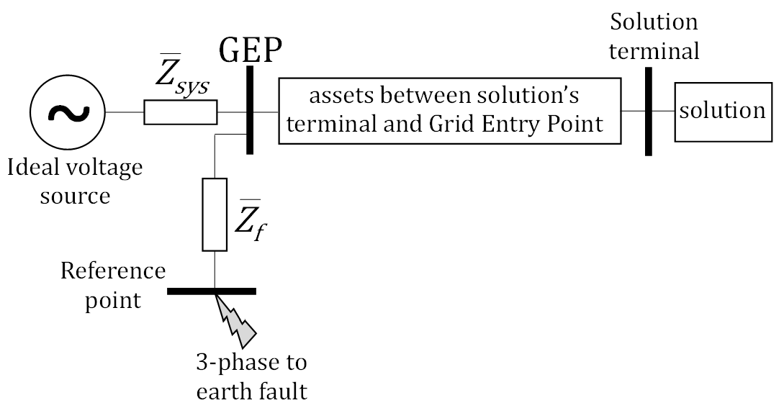
1
2
Please note:
This methodology and the example provided is acting as guidance only - Tenderers have full flexibility to tailor their designs in terms of solution size to meet the SCL and inertia service requirements set by Phase 3 tender.

Proposed solutions are required to provide both SCL and inertia. In addition to the SCL sizing methodology provided (see right), NGESO encourage providing an equal ratio of SCL to inertia service when sizing solutions (i.e. providing 1MVA SCL service to 1MW.s inertia service).

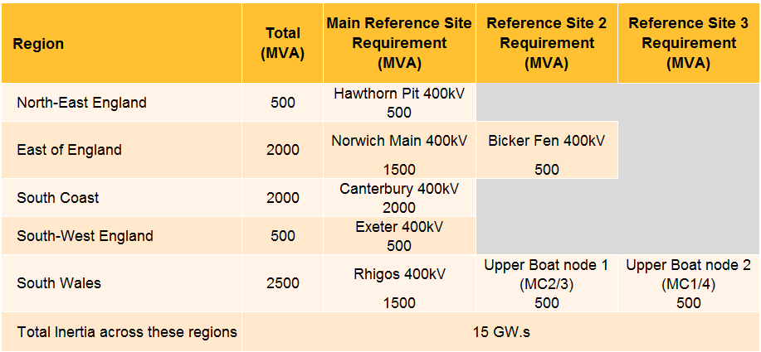
Useful information when sizing solutions: | Rationale for 100%/50%/33.4% sizing guidance
Stability Phase 3 requirement across the 5 regions of need:
 | NGESO expects a low number of solutions per region to be the most cost effective way to meet the need. Due to this, there is a greater risk of NGESO overprocuring to meet the n-1 criteria, particularly when forming a small porfolio of solutions in a region from unconnected Tenderers. The table below shows the optimal size of a solution within differing sizes of regional porfolios.

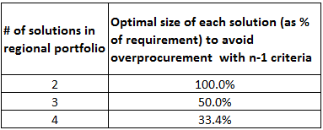

 | NGESO encourages Tenderers to provide variations of solutions with different SCL (MVA) capabilties, based on the above percentages for each regional requirement (while remaining within the cap on solutions explained in the Instructions to Tenderers). Please note that these % should be viewed as guidance when used to help size solutions. Note: The cap on the number of solutions per region has been sized to allow for variations of solutions with different sizes at each of the reserved bays within each region.

For additional information on the regions of need, please refer to the Stability Phase 3 Network Diagram Map document.
 | Example to demonstrate the use of the sizing methodology
For the 5 service regions map, please refer to Stability Phase 3 Network Diagram Map document
 | Step 1.
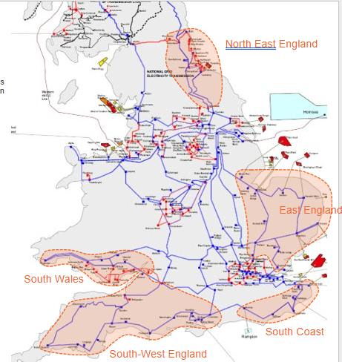
 | Select a region from the 5 regions of need for Stability Phase 3 and note down the SCL requirement:

 | For example, select North-East England region and note down 500MVA SCL requirement at Reference site (Hawthorn Pit 400kV) for this region.

 | For regions with multiple reference sites, e.g. East of England or South Wales region, please select the SCL requirement at the Main Reference Site for these regions as these represent the major part of the SCL requirement for these regions. For example, select Norwich Main 400kV and note down 1500MVA for East of England region.

 | Step 2.
 | Select a site within the region which the Tenderer is targetting for their solution to connect at to provide both SCL and inertia service.
 | Please refer to '4. Effectiveness Factors' within this document for the list of substations within each region of need.

 | For example, select Offerton 275kV site and the site effectiveness factor is 59% againt the reference site (Hawthorn Pit 400kV) in North-East England region:

Please refer to '4. Effectiveness Factors' tab in this document for the list of the transmission substations within each of the regions of need and their effectiveness data.

 | For regions with multiple reference sites, e.g. if Yaxley 400kV was selected in the East of England region, please use the site effectiveness factor against the Main Reference Site which in this case, would be Norwich Main 400kV site. From the effectivess data, Yaxley 400kV site has an effectiveness factor of 84% against Norwich Main 400kV site:

 | Step 3:
 | Work out the SCL injection (MVA) required to contribute the full (100%), half (50%), and/or one third (33.4%) of the SCL requirement at the reference site for the selected region:

 | In this example, the SCL requirement at Hawthorn Pit 400kV is 500MVA, so to meet full requirement (100%) and considering the site effectiveness factor, the SCL injection at Offerton 275kV connection point would be:
 | 500x100% / 59% = 848MVA (rounded up).

 | The SCL injection values to meet either the half (50%), one third (33.4%) of the procured SCL volumes 500MVA can also be worked out with same formula and as per table below as example:
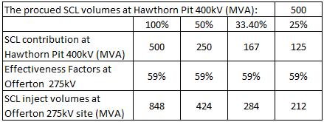

 | Alternative

 | Another way to workout the required SCL injection at the connection site is via the data table in tab "1. Phase 3 Site Data" of this document:

 | In this data sheet, first select connection site from drop list 1, e.g. Offerton 275kV. The effectiveness factor can be read from the Cell 2 as indicated in the diagram below.

 | The Tenderer should then type in the injection SCL current (kA) in the Cell 3, e.g. 0.889kA, in order to check the SCL contribution at the reference site.

 | In this example, the reference site is Hawthorn Pit 400kV, and the data tool confirms 250MVA SCL contribution in Cell 4. This can be used to identify the % of requirement being met. In this example, 250MVA would meet 50% of the requirement for the North East.
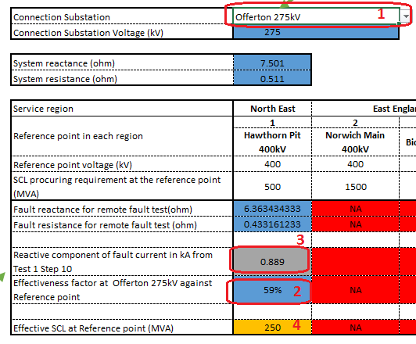

 | Step 4:
 | Once the required SCL injection values at the connection site have been worked out, Tenderers are able to use these values to size and design their solutions.

6. Reserved Bay Size check
This sheet is applicable to solutions planning to be connected at reserved bays only. Question 34 of the Technical Submission Document asks Tenderers to confirm whether their solution is within the sub-transient and transient SCL values assumed for the reserved bays.
This sheet has been developed for Tenderers to use to help identify and understand if the reserved capacity at different sites is sufficient to accommodate your proposed solution by calculating three phase peak current (Ipeak) and break current (Ibreak) of the solution and comparing them to the corresponding reserved Ipeak and Ibreak. Exceeding one or both the reserved currents (Ipeak,Ibreak) means that the reserved site capacity cannot accommodate the solution size.
NGESO encourage Tenderers to use this tool prior to the tender submission deadline to check whether their proposed solution can be accomodated by capacity of the reserved bay.
Ik' refers to the solution's three phase transient current in kA at Grid Entry Point (GEP). Ik'' refers to the solution's three phase sub-transient current in kA at GEP. X''/R is the sub-transient X to R ratio of the solution at GEP.
Please note that the above three values (Ik', Ik'' and X''/R) are calculated at GEP. Planning Code (PC.A.2.5.6) can be used to acquire these values at GEP.

Provided by NGESO (Lookup cell) |  |  | How to use:
Bidder to provide based on solution size |  |  | 1- Choose the substation name and targeted solution size here.
Calculated cells (formula)

 | Site information |  |  | Your solution (at GEP)

 | Site: | CANT4 - 50% |  | Ik'(kA) | 1.5 | How to use:
 | Reserved capacity (MVA): | 1110 |  | Ik''(kA) | 2.1 | 2- Based on the solution size, fill Ik', Ik'' and X''/R at GEP.
 | Site Voltage level (kV): | 400 |  | X''/R | 20
 | Reserved Ipeak(kA): | 5.934 |  | Solution Ipeak(kA): | 5.534
 | Reserved Ibreak(kA): | 1.832 |  | Solution Ibreak(kA): | 1.672

 | Results: | PASS: The reserved capacity at CANT4 - 50% can accommodate this solution.

