Scenario framework
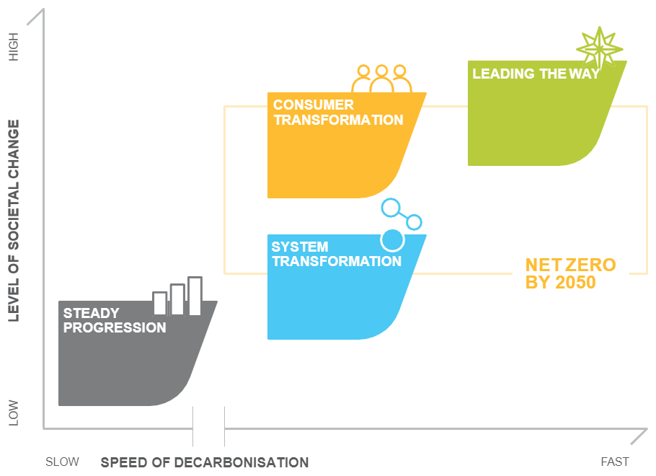
FES 2021 Scenario Overview

