S4B
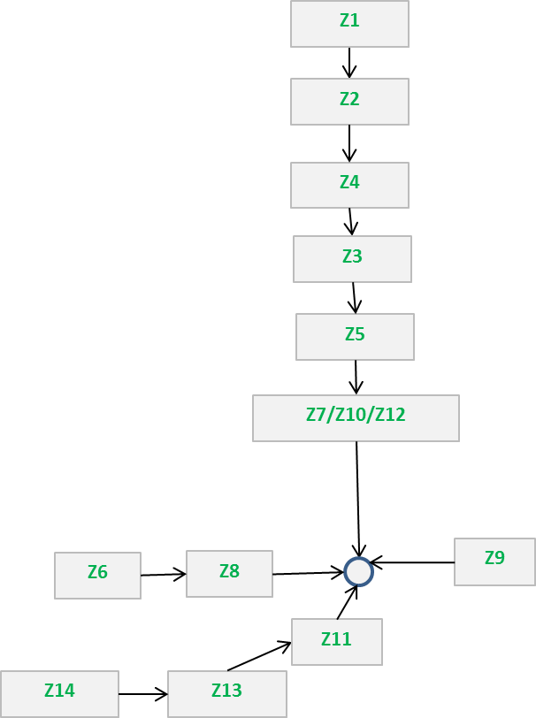
Table S4B - Indicative generation wider tariffs under 14 generation zones (2022/23 tariffs) |  |  |  |  |  |  | Return to Index

 | Generation Tariffs |  | System Peak Tariff | Shared Year Round Tariff | Not Shared Year Round Tariff | Residual Tariff | Conventional Carbon | Conventional Low Carbon | Intermittent
 |  |  |  |  |  |  | 80% | 80% | 40%
 | Gen Zone (Sensitivity) | Zone Name | (£/kW) | (£/kW) | (£/kW) | (£/kW) | Load Factor (£/kW) | Load Factor (£/kW) | Load Factor (£/kW)
 | 1 | Northern Scotland | 4.613252 | 17.909118 | 20.275000 | -1.264482 | 33.896065 | 37.951065 | 26.174165
 | 2 | Southern Scotland | 3.925978 | 11.624759 | 12.386176 | -1.264482 | 21.870244 | 24.347479 | 15.771598
 | 3 | Northern | 4.117508 | 8.155618 | 3.556361 | -1.264482 | 12.222610 | 12.933882 | 5.554126
 | 4 | North West | 2.837266 | 5.478877 | 1.132908 | -1.264482 | 6.862212 | 7.088794 | 2.059977
 | 5 | Yorkshire | 4.509454 | 2.420551 | 0.227982 | -1.264482 | 5.363798 | 5.409394 | -0.068280
 | 6 | N Wales & Mersey | 4.310617 | 0.508476 | 0.000000 | -1.264482 | 3.452916 | 3.452916 | -1.061092
 | 7 | East Midlands | 3.641656 | 0.003650 | 0.000000 | -1.264482 | 2.380094 | 2.380094 | -1.263022
 | 8 | Midlands | 2.619434 | -4.495421 | 0.000000 | -1.264482 | -2.241386 | -2.241386 | -3.062651
 | 9 | Eastern | -1.352050 | 1.948221 | 0.000000 | -1.264482 | -1.057955 | -1.057955 | -0.485194
 | 10 | South Wales | 8.268136 | 0.003650 | -5.507918 | -1.264482 | 2.600239 | 1.498655 | -6.770941
 | 11 | South East | -5.208288 | 4.392542 | 0.000000 | -1.264482 | -2.958736 | -2.958736 | 0.492535
 | 12 | London | -3.392084 | 0.003650 | -0.709392 | -1.264482 | -5.221160 | -5.363038 | -1.972414
 | 13 | Southern | -1.898405 | -3.014901 | 0.000000 | -1.264482 | -5.574808 | -5.574808 | -2.470442
 | 14 | South Western | 0.823052 | -5.790186 | 0.000000 | -1.264482 | -5.073578 | -5.073578 | -3.580556

Figure 10 - Generation zone connectivity map under 14-zone option

