Figure 1 data and chart
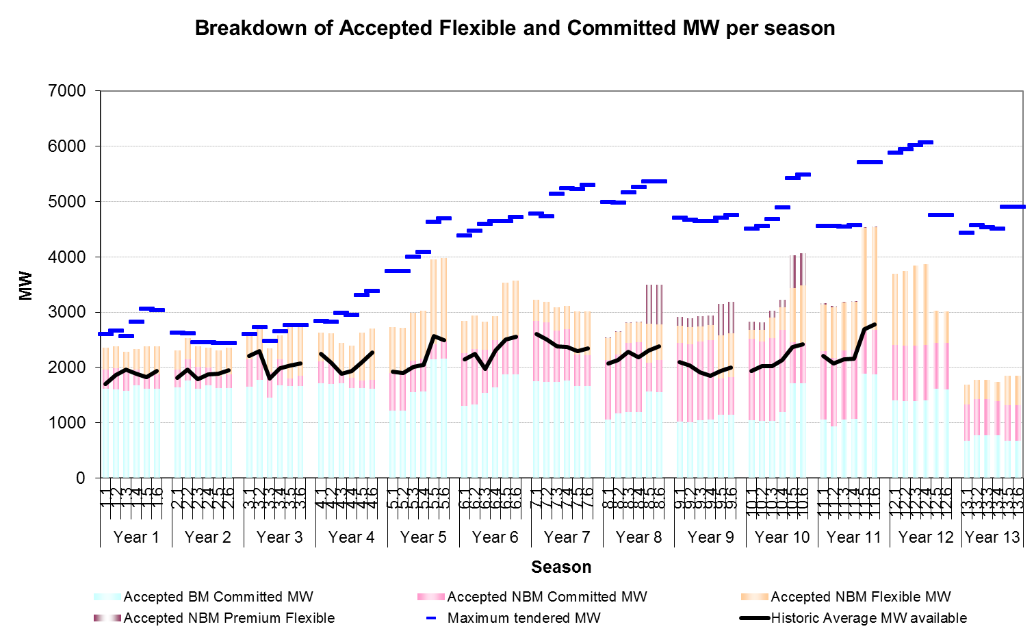
Season | Total MW accepted BM-C | Total MW accepted NBM-C | Total MW accepted NBM-F | Total MW accepted NBM-PF | Total MW Accepted | Total Unique MW Tendered | Outturn Average MW Available BM-C | Outturn Average MW Available NBM-C | Outturn Average MW Available NBM-F | Total Outturn Average MW Available | Total Unique MW tendered BM | Total Unique MW tendered NBM
1.1 | 1611 | 348 | 393 |  | 2352 | 2598 | 1388 | 269 | 43 | 1699 | 1636 | 962
1.2 | 1605 | 384 | 393 |  | 2382 | 2659 | 1463 | 278 | 124 | 1866 | 1715 | 944
1.3 | 1572 | 358 | 358 |  | 2288 | 2562 | 1437 | 313 | 210 | 1960 | 1627 | 935
1.4 | 1672 | 283 | 375 |  | 2330 | 2820 | 1531 | 198 | 163 | 1891 | 1997 | 823
1.5 | 1618 | 223 | 535 |  | 2376 | 3050 | 1493 | 149 | 187 | 1830 | 2248 | 802
1.6 | 1613 | 266 | 503 |  | 2382 | 3037 | 1560 | 203 | 170 | 1933 | 2243 | 794

2.1 | 1639 | 318 | 348 |  | 2305 | 2625 | 1538 | 146 | 123 | 1807 | 1774 | 851
2.2 | 1768 | 381 | 377 |  | 2526 | 2606 | 1625 | 228 | 101 | 1955 | 1768 | 838
2.3 | 1620 | 394 | 362 |  | 2376 | 2453 | 1414 | 295 | 81 | 1790 | 1620 | 833
2.4 | 1680 | 315 | 367 |  | 2362 | 2445 | 1557 | 226 | 90 | 1872 | 1680 | 765
2.5 | 1631 | 203 | 471 |  | 2305 | 2441 | 1601 | 102 | 181 | 1884 | 1631 | 810
2.6 | 1630 | 245 | 480 |  | 2355 | 2438 | 1578 | 188 | 184 | 1950 | 1630 | 808

3.1 | 1650 | 495 | 452 |  | 2597 | 2601 | 1565 | 446 | 194 | 2205 | 1650 | 951
3.2 | 1770 | 476 | 466 |  | 2712 | 2716 | 1696 | 425 | 173 | 2294 | 1770 | 946
3.3 | 1452 | 460 | 431 |  | 2343 | 2471 | 1287 | 380 | 138 | 1804 | 1520 | 951
3.4 | 1674 | 468 | 443 |  | 2585 | 2646 | 1484 | 332 | 169 | 1986 | 1674 | 972
3.5 | 1663 | 135 | 955 |  | 2753 | 2759 | 1581 | 93 | 361 | 2035 | 1663 | 1096
3.6 | 1662 | 185 | 900 |  | 2747 | 2753 | 1578 | 162 | 334 | 2074 | 1662 | 1091

4.1 | 1710 | 404 | 519 |  | 2633 | 2838 | 1685 | 364 | 199 | 2248 | 1710 | 1128
4.2 | 1704 | 393 | 524 |  | 2621 | 2821 | 1569 | 338 | 174 | 2081 | 1704 | 1117
4.3 | 1708 | 198 | 538 |  | 2444 | 2985 | 1535 | 179 | 174 | 1888 | 1708 | 1277
4.4 | 1628 | 186 | 574 |  | 2388 | 2943 | 1562 | 160 | 220 | 1942 | 1628 | 1315
4.5 | 1621 | 136 | 873 |  | 2630 | 3309 | 1614 | 116 | 364 | 2095 | 1921 | 1388
4.6 | 1620 | 150 | 931 |  | 2701 | 3380 | 1651 | 120 | 498 | 2270 | 1920 | 1460

5.1 | 1219 | 676 | 836 |  | 2728 | 3739 | 1173 | 550 | 205 | 1929 | 2113 | 1626
5.2 | 1219 | 679 | 814 |  | 2709 | 3739 | 1130 | 547 | 217 | 1895 | 2111 | 1628
5.3 | 1554 | 573 | 856 |  | 2980 | 3998 | 1359 | 470 | 187 | 2016 | 2183 | 1815
5.4 | 1563 | 592 | 873 |  | 3019 | 4078 | 1359 | 473 | 212 | 2045 | 2192 | 1886
5.5 | 2141 | 279 | 1531 |  | 3951 | 4631 | 2061 | 175 | 326 | 2562 | 2588 | 2043
5.6 | 2160 | 303 | 1514 |  | 3977 | 4684 | 2082 | 208 | 197 | 2488 | 2607 | 2077

6.1 | 1299 | 954 | 592 |  | 2845 | 4375 | 1219 | 790 | 139 | 2148 | 2434 | 1941
6.2 | 1335 | 994 | 609 |  | 2938 | 4464 | 1238 | 816 | 191 | 2245 | 2465 | 1999
6.3 | 1537 | 777 | 507 |  | 2821 | 4588 | 1184 | 564 | 224 | 1972 | 2495 | 2093
6.4 | 1637 | 862 | 424 |  | 2923 | 4638 | 1534 | 639 | 137 | 2311 | 2512 | 2126
6.5 | 1877 | 615 | 1038 |  | 3530 | 4646 | 1786 | 453 | 270 | 2509 | 2423 | 2223
6.6 | 1876 | 698 | 999 |  | 3573 | 4710 | 1719 | 557 | 274 | 2550 | 2422 | 2288

7.1 | 1749 | 1096 | 376 |  | 3221 | 4779 | 1560 | 996 | 50 | 2606 | 2414 | 2365
7.2 | 1737 | 1075 | 375 |  | 3187 | 4724 | 1538 | 964 | 0 | 2502 | 2386 | 2338
7.3 | 1744 | 924 | 423 |  | 3091 | 5141 | 1465 | 839 | 77 | 2381 | 2716 | 2425
7.4 | 1757 | 932 | 419 |  | 3108 | 5233 | 1445 | 840 | 87 | 2372 | 2801 | 2432
7.5 | 1663 | 567 | 782 |  | 3012 | 5227 | 1480 | 530 | 280 | 2289 | 2708 | 2519
7.6 | 1659 | 567 | 788 |  | 3014 | 5297 | 1614 | 542 | 188 | 2343 | 2708 | 2589

8.1 | 1063 | 1071 | 396 | 7 | 2537 | 4991 | 1009 | 936 | 131 | 2077 | 2505 | 2486
8.2 | 1168 | 1069 | 404 | 7 | 2648 | 4977 | 1063 | 962 | 115 | 2139 | 2488 | 2489
8.3 | 1190 | 1249 | 359 | 6 | 2804 | 5157 | 1133 | 1103 | 47 | 2283 | 2570 | 2587
8.4 | 1194 | 1259 | 360 | 6 | 2819 | 5253 | 1079 | 1035 | 71 | 2186 | 2653 | 2600
8.5 | 1562 | 526 | 696 | 716 | 3500 | 5358 | 1394 | 478 | 429 | 2301 | 2682 | 2676
8.6 | 1556 | 573 | 653 | 716 | 3498 | 5354 | 1430 | 539 | 417 | 2386 | 2671 | 2683

9.1 | 1022 | 1416 | 312 | 168 | 2918 | 4698 | 926 | 1139 | 38 | 2103 | 2331 | 2367
9.2 | 1010 | 1405 | 315 | 164 | 2894 | 4667 | 890 | 1098 | 45 | 2032 | 2319 | 2348
9.3 | 1041 | 1429 | 272 | 178 | 2920 | 4638 | 882 | 984 | 47 | 1912 | 2326 | 2312
9.4 | 1054 | 1436 | 272 | 178 | 2940 | 4636 | 858 | 945 | 40 | 1843 | 2335 | 2301
9.5 | 1149 | 651 | 783 | 567 | 3150 | 4701 | 1012 | 508 | 411 | 1930 | 2321 | 2380
9.6 | 1143 | 683 | 796 | 569 | 3191 | 4752 | 1031 | 512 | 454 | 1997 | 2315 | 2437

10.1 | 1045 | 1470 | 169 | 139 | 2819 | 4510 | 799 | 1100 | 38 | 1937 | 2043 | 2467
10.2 | 1029 | 1444 | 209 | 128 | 2810 | 4557 | 894 | 1099 | 26 | 2019 | 2117 | 2440
10.3 | 1036 | 1491 | 374 | 128 | 3029 | 4682 | 850 | 1076 | 94 | 2019 | 2124 | 2558
10.4 | 1189 | 1488 | 404 | 143 | 3224 | 4889 | 990 | 1081 | 68 | 2139 | 2277 | 2612
10.5 | 1714 | 741 | 984 | 585 | 4024 | 5416 | 1513 | 506 | 347 | 2366 | 2649 | 2767
10.6 | 1708 | 741 | 1034 | 585 | 4068 | 5480 | 1523 | 539 | 357 | 2420 | 2643 | 2837

11.1 | 1057 | 1240 | 838 | 32 | 3167 | 4554 | 999 | 1032 | 182 | 2214 | 1865 | 2689
11.2 | 935 | 1231 | 918 | 32 | 3116 | 4553 | 871 | 1005 | 199 | 2076 | 1851 | 2702
11.3 | 1063 | 1242 | 863 | 4 | 3172 | 4546 | 925 | 995 | 221 | 2141 | 1905 | 2641
11.4 | 1074 | 1246 | 866 | 4 | 3190 | 4570 | 865 | 1046 | 245 | 2156 | 1916 | 2654
11.5 | 1884 | 778 | 1858 | 5 | 4525 | 5704 | 1826 | 648 | 222 | 2697 | 2834 | 2870
11.6 | 1878 | 798 | 1858 | 5 | 4519 | 5704 | 1822 | 661 | 295 | 2778 | 2828 | 2876

12.1 | 1401 | 1006 | 1288 |  | 3695 | 5880 | 1133 | 887 | 196 | 2216 | 2834 | 3046
12.2 | 1387 | 1002 | 1350 |  | 3739 | 5938 |  |  |  |  | 2845 | 3093
12.3 | 1394 | 1003 | 1451 |  | 3848 | 6015 |  |  |  |  | 2762 | 3253
12.4 | 1405 | 1006 | 1459 |  | 3870 | 6067 |  |  |  |  | 2799 | 3268
12.5 | 1609 | 837 | 575 |  | 3021 | 4750 |  |  |  |  | 2934 | 1816
12.6 | 1603 | 837 | 575 |  | 3015 | 4750 |  |  |  |  | 2928 | 1822

13.1 | 670 | 665 | 359 |  | 1694 | 4430 |  |  |  |  | 2249 | 2181
13.2 | 769 | 661 | 348 |  | 1778 | 4563 |  |  |  |  | 2401 | 2162
13.3 | 769 | 662 | 348 |  | 1779 | 4533 |  |  |  |  | 2368 | 2165
13.4 | 769 | 620 | 348 |  | 1737 | 4509 |  |  |  |  | 2345 | 2164
13.5 | 670 | 643 | 542 |  | 1855 | 4901 |  |  |  |  | 2924 | 1977
13.6 | 670 | 643 | 542 |  | 1855 | 4895 |  |  |  |  | 2918 | 1977

Figure 2 data and chart
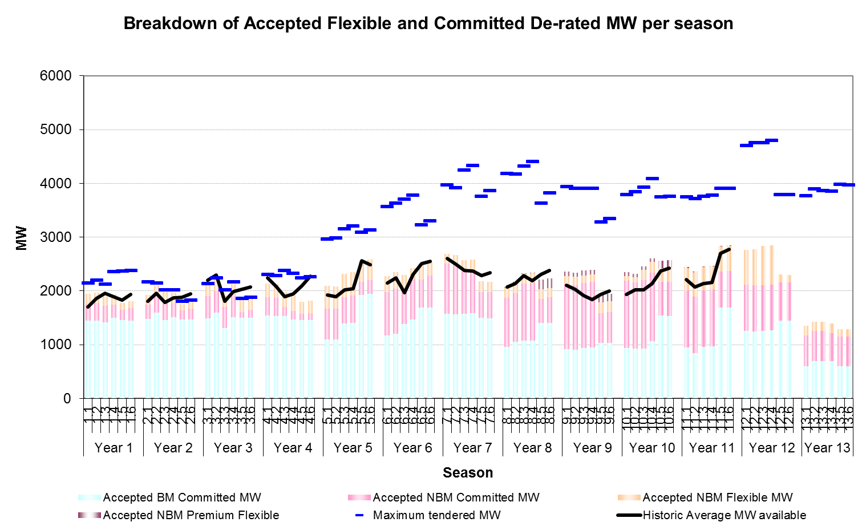
 | Total De-rated accepted BM-C | Total De-rated accepted NBM-C | Total De-rated accepted NBM-F | Total De-rated accepted NBM-PF | Total De-rated MW Accepted | Total Unique De-rated MW Tendered | Outturn Average MW Available BM-C | Outturn Average MW Available NBM-C | Outturn Average MW Available NBM-F | Total Outturn Average MW Available | Total Unique MW tenderd BM | Total Unique MW tenderd BM
1.1 | 1450 | 296 | 197 |  | 1942 | 2138 | 1388 | 269 | 43 | 1699 | 1472 | 665
1.2 | 1444 | 326 | 197 |  | 1967 | 2193 | 1463 | 278 | 124 | 1866 | 1543 | 650
1.3 | 1415 | 304 | 179 |  | 1898 | 2119 | 1437 | 313 | 210 | 1960 | 1464 | 654
1.4 | 1505 | 241 | 188 |  | 1933 | 2353 | 1531 | 198 | 163 | 1891 | 1797 | 555
1.5 | 1456 | 190 | 134 |  | 1779 | 2362 | 1493 | 149 | 187 | 1830 | 2023 | 339
1.6 | 1452 | 226 | 126 |  | 1804 | 2377 | 1560 | 203 | 170 | 1933 | 2019 | 358

2.1 | 1475 | 270 | 174 |  | 1919 | 2168 | 1538 | 146 | 123 | 1807 | 1597 | 572
2.2 | 1591 | 324 | 189 |  | 2104 | 2145 | 1625 | 228 | 101 | 1955 | 1591 | 553
2.3 | 1458 | 335 | 181 |  | 1974 | 2012 | 1414 | 295 | 81 | 1790 | 1458 | 554
2.4 | 1512 | 268 | 184 |  | 1963 | 2011 | 1557 | 226 | 90 | 1872 | 1512 | 499
2.5 | 1468 | 173 | 118 |  | 1758 | 1802 | 1601 | 102 | 181 | 1884 | 1468 | 335
2.6 | 1467 | 208 | 120 |  | 1795 | 1826 | 1578 | 188 | 184 | 1950 | 1467 | 359

3.1 | 1485 | 421 | 226 |  | 2132 | 2135 | 1565 | 446 | 194 | 2205 | 1485 | 650
3.2 | 1593 | 405 | 233 |  | 2231 | 2233 | 1696 | 425 | 173 | 2294 | 1593 | 640
3.3 | 1307 | 391 | 216 |  | 1913 | 2012 | 1287 | 380 | 138 | 1804 | 1368 | 644
3.4 | 1507 | 398 | 222 |  | 2126 | 2166 | 1484 | 332 | 169 | 1986 | 1507 | 659
3.5 | 1497 | 115 | 239 |  | 1850 | 1854 | 1581 | 93 | 361 | 2035 | 1497 | 358
3.6 | 1496 | 157 | 225 |  | 1878 | 1882 | 1578 | 162 | 334 | 2074 | 1496 | 386

4.1 | 1539 | 343 | 260 |  | 2142 | 2297 | 1685 | 364 | 199 | 2248 | 1539 | 758
4.2 | 1534 | 334 | 262 |  | 2130 | 2280 | 1569 | 338 | 174 | 2081 | 1534 | 747
4.3 | 1537 | 168 | 269 |  | 1975 | 2374 | 1535 | 179 | 174 | 1888 | 1537 | 837
4.4 | 1465 | 158 | 287 |  | 1910 | 2321 | 1562 | 160 | 220 | 1942 | 1465 | 856
4.5 | 1459 | 116 | 218 |  | 1793 | 2233 | 1614 | 116 | 364 | 2095 | 1729 | 504
4.6 | 1458 | 128 | 233 |  | 1818 | 2259 | 1651 | 120 | 498 | 2270 | 1728 | 531

5.1 | 1097 | 575 | 418 |  | 2087 | 2964 | 1173 | 550 | 205 | 1929 | 1902 | 1062
5.2 | 1097 | 577 | 407 |  | 2079 | 2982 | 1130 | 547 | 217 | 1895 | 1900 | 1082
5.3 | 1399 | 487 | 428 |  | 2311 | 3151 | 1359 | 470 | 187 | 2016 | 1965 | 1186
5.4 | 1407 | 503 | 437 |  | 2339 | 3207 | 1359 | 473 | 212 | 2045 | 1973 | 1234
5.5 | 1927 | 237 | 383 |  | 2547 | 3084 | 2061 | 175 | 326 | 2562 | 2329 | 755
5.6 | 1944 | 258 | 379 |  | 2580 | 3125 | 2082 | 208 | 197 | 2488 | 2346 | 779

6.1 | 1169 | 811 | 296 |  | 2276 | 3561 | 1219 | 790 | 139 | 2148 | 2191 | 1371
6.2 | 1201 | 845 | 305 |  | 2351 | 3630 | 1238 | 816 | 191 | 2245 | 2219 | 1412
6.3 | 1383 | 660 | 254 |  | 2297 | 3701 | 1184 | 564 | 224 | 1972 | 2246 | 1455
6.4 | 1473 | 733 | 212 |  | 2418 | 3771 | 1534 | 639 | 137 | 2311 | 2261 | 1511
6.5 | 1689 | 523 | 260 |  | 2472 | 3222 | 1786 | 453 | 270 | 2509 | 2181 | 1041
6.6 | 1688 | 593 | 250 |  | 2531 | 3298 | 1719 | 557 | 274 | 2550 | 2180 | 1118

7.1 | 1574 | 932 | 188 |  | 2694 | 3967 | 1560 | 996 | 50 | 2606 | 2173 | 1795
7.2 | 1563 | 914 | 188 |  | 2665 | 3917 | 1538 | 964 | 0 | 2502 | 2147 | 1770
7.3 | 1570 | 785 | 212 |  | 2567 | 4242 | 1465 | 839 | 77 | 2381 | 2444 | 1798
7.4 | 1581 | 792 | 210 |  | 2583 | 4326 | 1445 | 840 | 87 | 2372 | 2521 | 1805
7.5 | 1497 | 482 | 196 |  | 2174 | 3751 | 1480 | 530 | 280 | 2289 | 2437 | 1314
7.6 | 1493 | 482 | 197 |  | 2172 | 3859 | 1614 | 542 | 188 | 2343 | 2437 | 1422

8.1 | 957 | 910 | 198 | 4 | 2069 | 4182 | 1009 | 936 | 131 | 2077 | 2255 | 1928
8.2 | 1051 | 909 | 202 | 4 | 2165 | 4168 | 1063 | 962 | 115 | 2139 | 2239 | 1929
8.3 | 1071 | 1062 | 180 | 3 | 2315 | 4317 | 1133 | 1103 | 47 | 2283 | 2313 | 2004
8.4 | 1075 | 1070 | 180 | 3 | 2328 | 4403 | 1079 | 1035 | 71 | 2186 | 2388 | 2015
8.5 | 1406 | 447 | 174 | 179 | 2206 | 3622 | 1394 | 478 | 429 | 2301 | 2414 | 1208
8.6 | 1400 | 487 | 163 | 179 | 2230 | 3815 | 1430 | 539 | 417 | 2386 | 2404 | 1411

9.1 | 920 | 1204 | 156 | 84 | 2363 | 3936 | 926 | 1139 | 38 | 2103 | 2098 | 1838
9.2 | 909 | 1194 | 158 | 82 | 2343 | 3907 | 890 | 1098 | 45 | 2032 | 2087 | 1820
9.3 | 937 | 1215 | 136 | 89 | 2377 | 3905 | 882 | 984 | 47 | 1912 | 2093 | 1811
9.4 | 949 | 1221 | 136 | 89 | 2394 | 3903 | 858 | 945 | 40 | 1843 | 2101 | 1802
9.5 | 1034 | 553 | 196 | 142 | 1925 | 3273 | 1012 | 508 | 411 | 1930 | 2089 | 1184
9.6 | 1029 | 581 | 199 | 142 | 1951 | 3340 | 1031 | 512 | 454 | 1997 | 2083 | 1256

10.1 | 940 | 1249 | 85 | 70 | 2342 | 3789 | 799 | 1100 | 38 | 1937 | 1839 | 1950
10.2 | 926 | 1227 | 105 | 64 | 2322 | 3842 | 894 | 1099 | 26 | 2019 | 1905 | 1937
10.3 | 932 | 1267 | 187 | 64 | 2451 | 3921 | 850 | 1076 | 94 | 2019 | 1912 | 2009
10.4 | 1070 | 1265 | 202 | 72 | 2608 | 4087 | 990 | 1081 | 68 | 2139 | 2049 | 2038
10.5 | 1543 | 630 | 246 | 146 | 2565 | 3747 | 1513 | 506 | 347 | 2366 | 2384 | 1363
10.6 | 1537 | 630 | 259 | 146 | 2572 | 3759 | 1523 | 539 | 357 | 2420 | 2379 | 1381

11.1 | 951 | 1054 | 419 | 16 | 2440 | 3739 | 999 | 1032 | 182 | 2214 | 1678 | 2060
11.2 | 841 | 1046 | 459 | 16 | 2363 | 3712 | 871 | 1005 | 199 | 2076 | 1666 | 2046
11.3 | 957 | 1056 | 432 | 2 | 2446 | 3755 | 925 | 995 | 221 | 2141 | 1714 | 2041
11.4 | 967 | 1059 | 433 | 2 | 2461 | 3774 | 865 | 1046 | 245 | 2156 | 1724 | 2050
11.5 | 1696 | 661 | 465 | 1 | 2823 | 3905 | 1826 | 648 | 222 | 2697 | 2551 | 1354
11.6 | 1690 | 678 | 465 | 1 | 2817 | 3904 | 1822 | 661 | 295 | 2778 | 2545 | 1359

12.1 | 1261 | 855 | 644 |  | 2760 | 4702 | 1133 | 887 | 196 | 2216 | 2551 | 2151
12.2 | 1248 | 852 | 675 |  | 2775 | 4750 |  |  |  |  | 2561 | 2189
12.3 | 1255 | 853 | 726 |  | 2833 | 4749 |  |  |  |  | 2486 | 2264
12.4 | 1265 | 855 | 730 |  | 2849 | 4793 |  |  |  |  | 2519 | 2273
12.5 | 1448 | 711 | 144 |  | 2303 | 3785 |  |  |  |  | 2641 | 1145
12.6 | 1443 | 711 | 144 |  | 2298 | 3785 |  |  |  |  | 2635 | 1150

13.1 | 603 | 565 | 180 |  | 1348 | 3763 |  |  |  |  | 2024 | 1739
13.2 | 692 | 562 | 174 |  | 1428 | 3887 |  |  |  |  | 2161 | 1726
13.3 | 692 | 563 | 174 |  | 1429 | 3860 |  |  |  |  | 2131 | 1729
13.4 | 692 | 527 | 174 |  | 1393 | 3847 |  |  |  |  | 2111 | 1737
13.5 | 603 | 547 | 136 |  | 1285 | 3975 |  |  |  |  | 2632 | 1343
13.6 | 603 | 547 | 136 |  | 1285 | 3969 |  |  |  |  | 2626 | 1343

Figure 6 data and chart
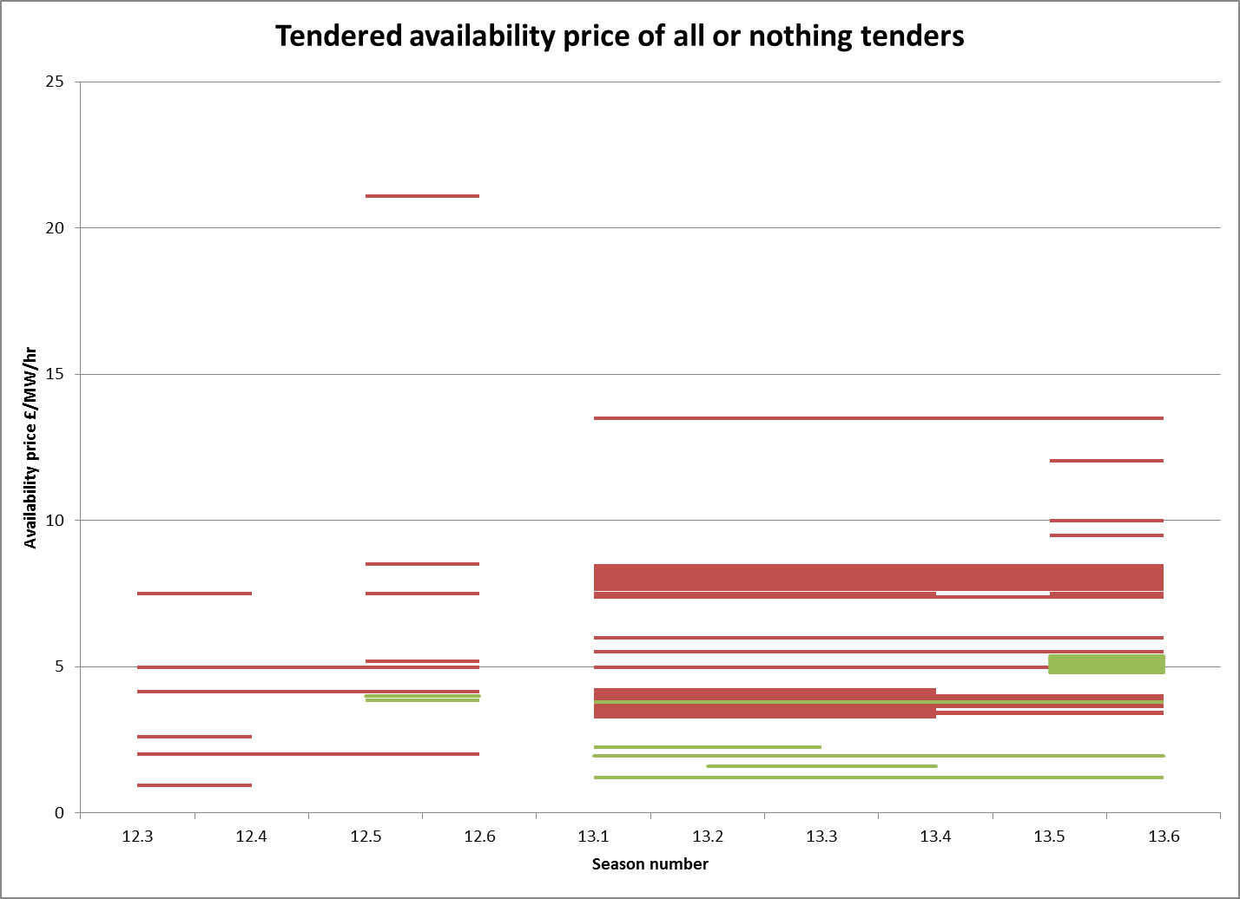
12.3 | 12.4 | 12.5 | 12.6 | 13.1 | 13.2 | 13.3 | 13.4 | 13.5 | 13.6 | Reject
0.95 | 0.95 |  |  |  |  |  |  |  |  | Reject
 |  |  |  | 3.75 | 3.75 | 3.75 | 3.75 | 3.75 | 3.75 | Reject
 |  |  |  | 5.5 | 5.5 | 5.5 | 5.5 | 5.5 | 5.5 | Reject
2 | 2 | 2 | 2 |  |  |  |  |  |  | Reject
 |  |  |  | 4 | 4 | 4 | 4 | 4 | 4 | Reject
 |  |  |  | 3.4 | 3.4 | 3.4 | 3.4 | 3.4 | 3.4 | Reject
 |  |  |  | 3.7 | 3.7 | 3.7 | 3.7 |  |  | Reject
 |  |  |  | 3.6 | 3.6 | 3.6 | 3.6 |  |  | Reject
 |  |  |  | 4.1 | 4.1 | 4.1 | 4.1 |  |  | Reject
 |  |  |  | 3.5 | 3.5 | 3.5 | 3.5 |  |  | Reject
 |  |  |  | 3.4 | 3.4 | 3.4 | 3.4 |  |  | Reject
 |  |  |  | 3.3 | 3.3 | 3.3 | 3.3 |  |  | Reject
 |  |  |  | 4.2 | 4.2 | 4.2 | 4.2 |  |  | Reject
 |  |  |  | 4 | 4 | 4 | 4 |  |  | Reject
 |  |  |  | 3.9 | 3.9 | 3.9 | 3.9 |  |  | Reject
 |  |  |  | 3.35 | 3.35 | 3.35 | 3.35 |  |  | Reject
 |  |  |  | 3.95 | 3.95 | 3.95 | 3.95 |  |  | Reject
 |  |  |  | 4.05 | 4.05 | 4.05 | 4.05 |  |  | Reject
 |  |  |  | 4.15 | 4.15 | 4.15 | 4.15 |  |  | Reject
 |  |  |  | 3.65 | 3.65 | 3.65 | 3.65 |  |  | Reject
 |  |  |  | 3.75 | 3.75 | 3.75 | 3.75 |  |  | Reject
 |  |  |  | 3.45 | 3.45 | 3.45 | 3.45 |  |  | Reject
 |  |  |  | 3.55 | 3.55 | 3.55 | 3.55 |  |  | Reject
 |  |  |  | 3.85 | 3.85 | 3.85 | 3.85 |  |  | Reject
 |  |  |  | 3.8 | 3.8 | 3.8 | 3.8 |  |  | Reject
 |  |  |  | 13.5 | 13.5 | 13.5 | 13.5 | 13.5 | 13.5 | Reject
 |  |  |  | 7.65 | 7.65 | 7.65 | 7.65 | 7.65 | 7.65 | Reject
7.5 | 7.5 |  |  |  |  |  |  |  |  | Reject
 |  | 7.5 | 7.5 |  |  |  |  |  |  | Reject
 |  | 8.5 | 8.5 |  |  |  |  |  |  | Reject
 |  |  |  | 7.5 | 7.5 | 7.5 | 7.5 |  |  | Reject
 |  |  |  |  |  |  |  | 7.5 | 7.5 | Reject
 |  |  |  |  |  |  |  | 9.5 | 9.5 | Reject
 |  |  |  | 8.35 | 8.35 | 8.35 | 8.35 | 8.35 | 8.35 | Reject
 |  |  |  | 8.45 | 8.45 | 8.45 | 8.45 | 8.45 | 8.45 | Reject
 |  |  |  | 7.75 | 7.75 | 7.75 | 7.75 | 7.75 | 7.75 | Reject
 |  |  |  | 8.25 | 8.25 | 8.25 | 8.25 | 8.25 | 8.25 | Reject
 |  |  |  | 7.95 | 7.95 | 7.95 | 7.95 | 7.95 | 7.95 | Reject
 |  |  |  |  |  |  |  | 10 | 10 | Reject
 |  |  |  | 8.05 | 8.05 | 8.05 | 8.05 | 8.05 | 8.05 | Reject
 |  |  |  | 7.85 | 7.85 | 7.85 | 7.85 | 7.85 | 7.85 | Reject
 |  |  |  | 8.15 | 8.15 | 8.15 | 8.15 | 8.15 | 8.15 | Reject
 |  |  |  | 6 | 6 | 6 | 6 | 6 | 6 | Reject
 |  |  |  | 3.99 | 3.99 | 3.99 | 3.99 | 3.99 | 3.99 | Reject
4.15 | 4.15 | 4.15 | 4.15 |  |  |  |  |  |  | Reject
 |  | 5.18 | 5.18 |  |  |  |  |  |  | Reject
4.99 | 4.99 | 4.99 | 4.99 |  |  |  |  |  |  | Reject
2.6 | 2.6 |  |  |  |  |  |  |  |  | Reject
 |  |  |  |  |  |  |  | 5.33 | 5.33 | Reject
 |  |  |  | 3.9 | 3.9 | 3.9 | 3.9 | 3.9 | 3.9 | Reject
 |  |  |  | 4.98 | 4.98 | 4.98 | 4.98 | 4.98 | 4.98 | Reject
 |  |  |  | 4 | 4 | 4 |  | 4 | 4 | Reject
 |  | 21.1 | 21.1 |  |  |  |  |  |  | Reject
 |  |  |  | 3.45 | 3.45 | 3.45 | 3.45 | 3.45 | 3.45 | Reject
 |  |  |  | 1.95 | 1.95 | 1.95 | 1.95 |  |  | Reject
 |  |  |  |  |  |  |  | 12.03 | 12.03 | Reject
 |  |  |  | 3.65 | 3.65 | 3.65 | 3.65 | 3.65 | 3.65 | Reject
 |  |  |  | 7.372 | 7.372 | 7.372 | 7.372 | 7.372 | 7.372 | Reject
 |  |  |  | 1.2 | 1.2 | 1.2 | 1.2 | 1.2 | 1.2 | Accept
 |  |  |  | 2.25 | 2.25 | 2.25 |  |  |  | Accept
 |  |  |  | 3.8 | 3.8 | 3.8 | 3.8 | 3.8 | 3.8 | Accept
 |  | 3.85 | 3.85 |  |  |  |  |  |  | Accept
 |  |  |  |  |  |  |  | 4.816 | 4.816 | Accept
 |  |  |  |  |  |  |  | 5.04 | 5.04 | Accept
 |  |  |  |  |  |  |  | 5.152 | 5.152 | Accept
 |  |  |  |  |  |  |  | 5.264 | 5.264 | Accept
 |  |  |  |  |  |  |  | 5.376 | 5.376 | Accept
 |  |  |  |  |  |  |  | 5.096 | 5.096 | Accept
 |  |  |  |  |  |  |  | 5.208 | 5.208 | Accept
 |  |  |  |  |  |  |  | 5.32 | 5.32 | Accept
 |  |  |  |  |  |  |  | 4.928 | 4.928 | Accept
 |  |  |  |  |  |  |  | 4.872 | 4.872 | Accept
 |  |  |  |  |  |  |  | 4.984 | 4.984 | Accept
 |  |  |  |  | 1.6 | 1.6 | 1.6 |  |  | Accept
 |  | 3.99 | 3.99 |  |  |  |  |  |  | Accept
 |  |  |  | 1.95 | 1.95 | 1.95 | 1.95 | 1.95 | 1.95 | Accept

